FXMS Lettering
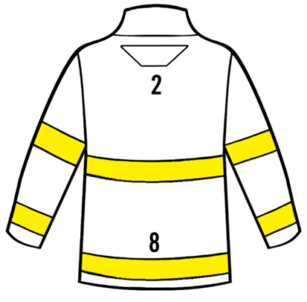
FXMS Lettering Order Form - FXM Standard
Distributor: |  | Customer:
Date: |  | Order #:

INSTRUCTIONS:
1. Add the lettering code for Positions 2 and 8. Choose "None" if no lettering is required.
2. Add the text for each line of lettering. For 3" letters that do not fit, 2" letters will be used.
3. If names are being added, please use "NAME" for Position 8 and add the names on the sizing sheet.

 |  | Lettering Code | Letter Size - Scotchlite Lime
Lettering Sewn Direct STRAIGHT |  | XL00
Lettering Sewn Direct ARCHED |  | XLA
Lettering Patch, 1 Row Hook and Loop |  | XL70
** Lettering code and text must be indicated on chart below **

Lettering
Position | Lettering Code | Text
2
8

